Phase 3
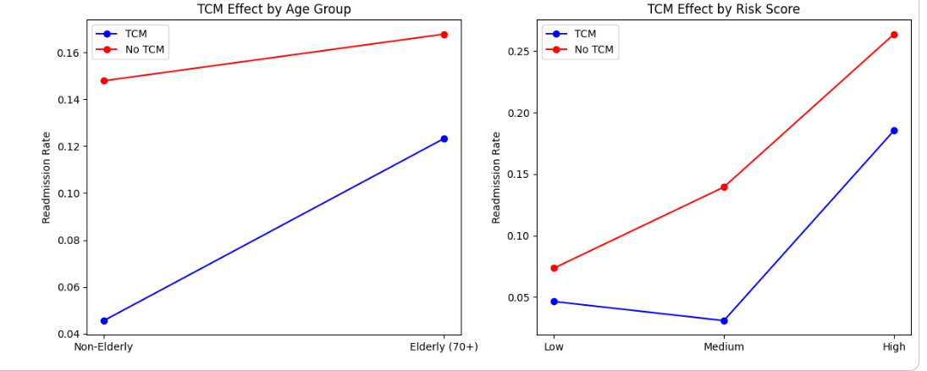
Table 1: Primary Model Results
Category | Coefficient | Odds Ratio | CI Lower | CI Upper | p-value
const | -3.3347 | 0.0356 | 0.0093 | 0.1362 | 1.09E-06
AnchorStayMedsPriorToDC | 0.8186 | 2.2674 | 0.6036 | 8.5179 | 0.2254 | *intervention
AnchorStayTOCConsult | -0.0680 | 0.9342 | 0.7596 | 1.1490 | 0.5193 | *intervention
TCM_7d | -0.6998 | 0.4967 | 0.3648 | 0.6762 | 8.78E-06
ReadmissionRiskValue | 0.0392 | 1.0400 | 1.0319 | 1.0481 | 5.85E-23
SDOH MCA Score | 0.4787 | 1.6139 | 1.3903 | 1.8735 | 3.15E-10
MDC_AMI | -0.3855 | 0.6801 | 0.4805 | 0.9626 | 0.0296
MDC_CABG | -0.1648 | 0.8480 | 0.5438 | 1.3225 | 0.4672
MDC_COPD | 0.3468 | 1.4145 | 1.0685 | 1.8727 | 0.0154
MDC_HF | 0.3482 | 1.4165 | 1.1275 | 1.7795 | 0.0028
MDC_HipKnee | -0.0460 | 0.9550 | 0.5314 | 1.7162 | 0.8777
MDC_PN | 0.2742 | 1.3155 | 1.0154 | 1.7042 | 0.0379
MDC_Stroke | -0.2380 | 0.7882 | 0.5778 | 1.0754 | 0.1332

Table 2: Clustering Results
Category | Odds Ratio | CI Lower | CI Upper | P-Value | % Increase In Odds
const | 0.089 | 0.076 | 0.105 | 0 | -91.089
Cluster 0 | 2.034 | 1.63 | 2.537 | 0 | 103.383
Cluster 2 | 2.682 | 2.183 | 3.295 | 0 | 168.175
Cluster 3 | 4.554 | 3.559 | 5.825 | 0 | 355.352

